Criterion1
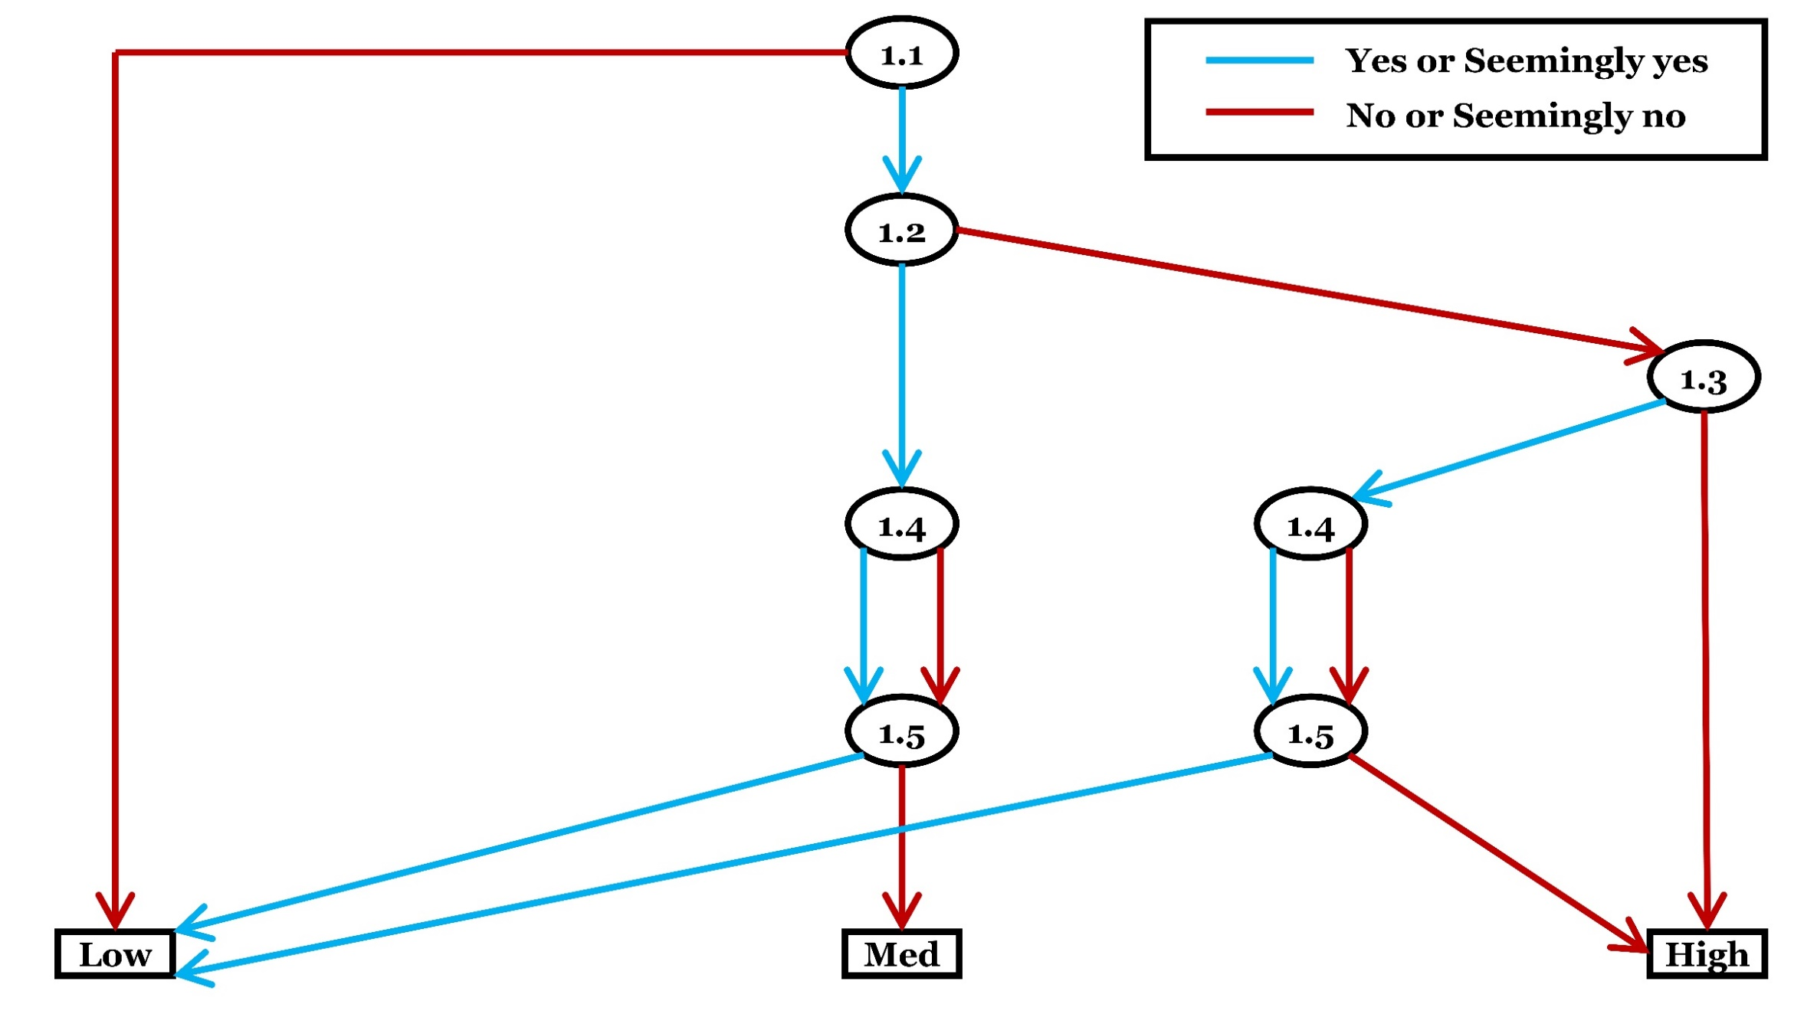
Criterion 1: Risk of confounding biases
Category | Checklist questions | Response option | Answer
General (please answer) | 1.1. Is it possible for the impact of the exposure or the effectiveness of the intervention to be confounded in this study? | Yes
 |  | Seemingly yes
 |  | Seemingly no
 |  | No
Conditional (answer if Y/SY to 1.1, otherwise select 'Not applicable') | 1.2. Did the author(s) control for all the potential confounders? | Yes
 |  | Seemingly yes
 |  | Seemingly no
 |  | No
 |  | Unclear (No)
 |  | Not applicable
Conditional (answer if N/SN/Unclear to 1.2, otherwise select 'Not applicable') | 1.3. Is there any justifiable reason for not controlling for all the potential confounders (so that omission of some of the potential confounders is unlikely to influence the assessment of the effectiveness or impact)? | Yes
 |  | Seemingly yes
 |  | Seemingly no
 |  | No
 |  | Not applicable
Conditional (answer if Y/SY to 1.2 or 1.3, otherwise select 'Not applicable') | 1.4. Were the potential confounders, that were controlled for, (and/or the instrumental variable used if applicable) likely to be measured accurately and precisely enough? | Yes
 |  | Seemingly yes
 |  | Seemingly no
 |  | No
 |  | Unclear (No)
 |  | Not applicable
Conditional (answer if you have answered 1.4, otherwise select 'Not applicable') | 1.5. Did the author(s) analyse the effect appropriately by taking into account the potential confounders, as well as the issue of accuracy and precision of the measurements of the potential confounders (and the instrumental variable if applicable)? | Yes
 |  | Seemingly yes
 |  | Seemingly no
 |  | No
 |  | Unclear (No)
 |  | Not applicable
Optional (It is suggested that detailed rationale or empirical evidence be provided when predicting magnitude and direction of bias. Assessors may skip this optional checklist question if they feel unfeasible) | 1.6. What are the predicted magnitude and the direction of bias due to confounding? | Intervention or exposure intolerably favoured
 |  | Intervention or exposure tolerably favoured
 |  | Comparator intolerably favoured
 |  | Comparator tolerably favoured
 |  | Intolerably towards no effect
 |  | Tolerably towards no effect
 |  | Intolerably away from no effect
 |  | Tolerably away from no effect
 |  | Unpredictable
 |  | Skip
Judgement about risk of bias for the criterion
Please finalise your judgement about risk of bias for this criterion usign the algorithm. |  | Low risk of bias
 |  | Medium risk of bias
 |  | High risk of bias
Reason for deviationo from the suggested judgement about risk of bias
Reason for deviation: NA

Criterion2
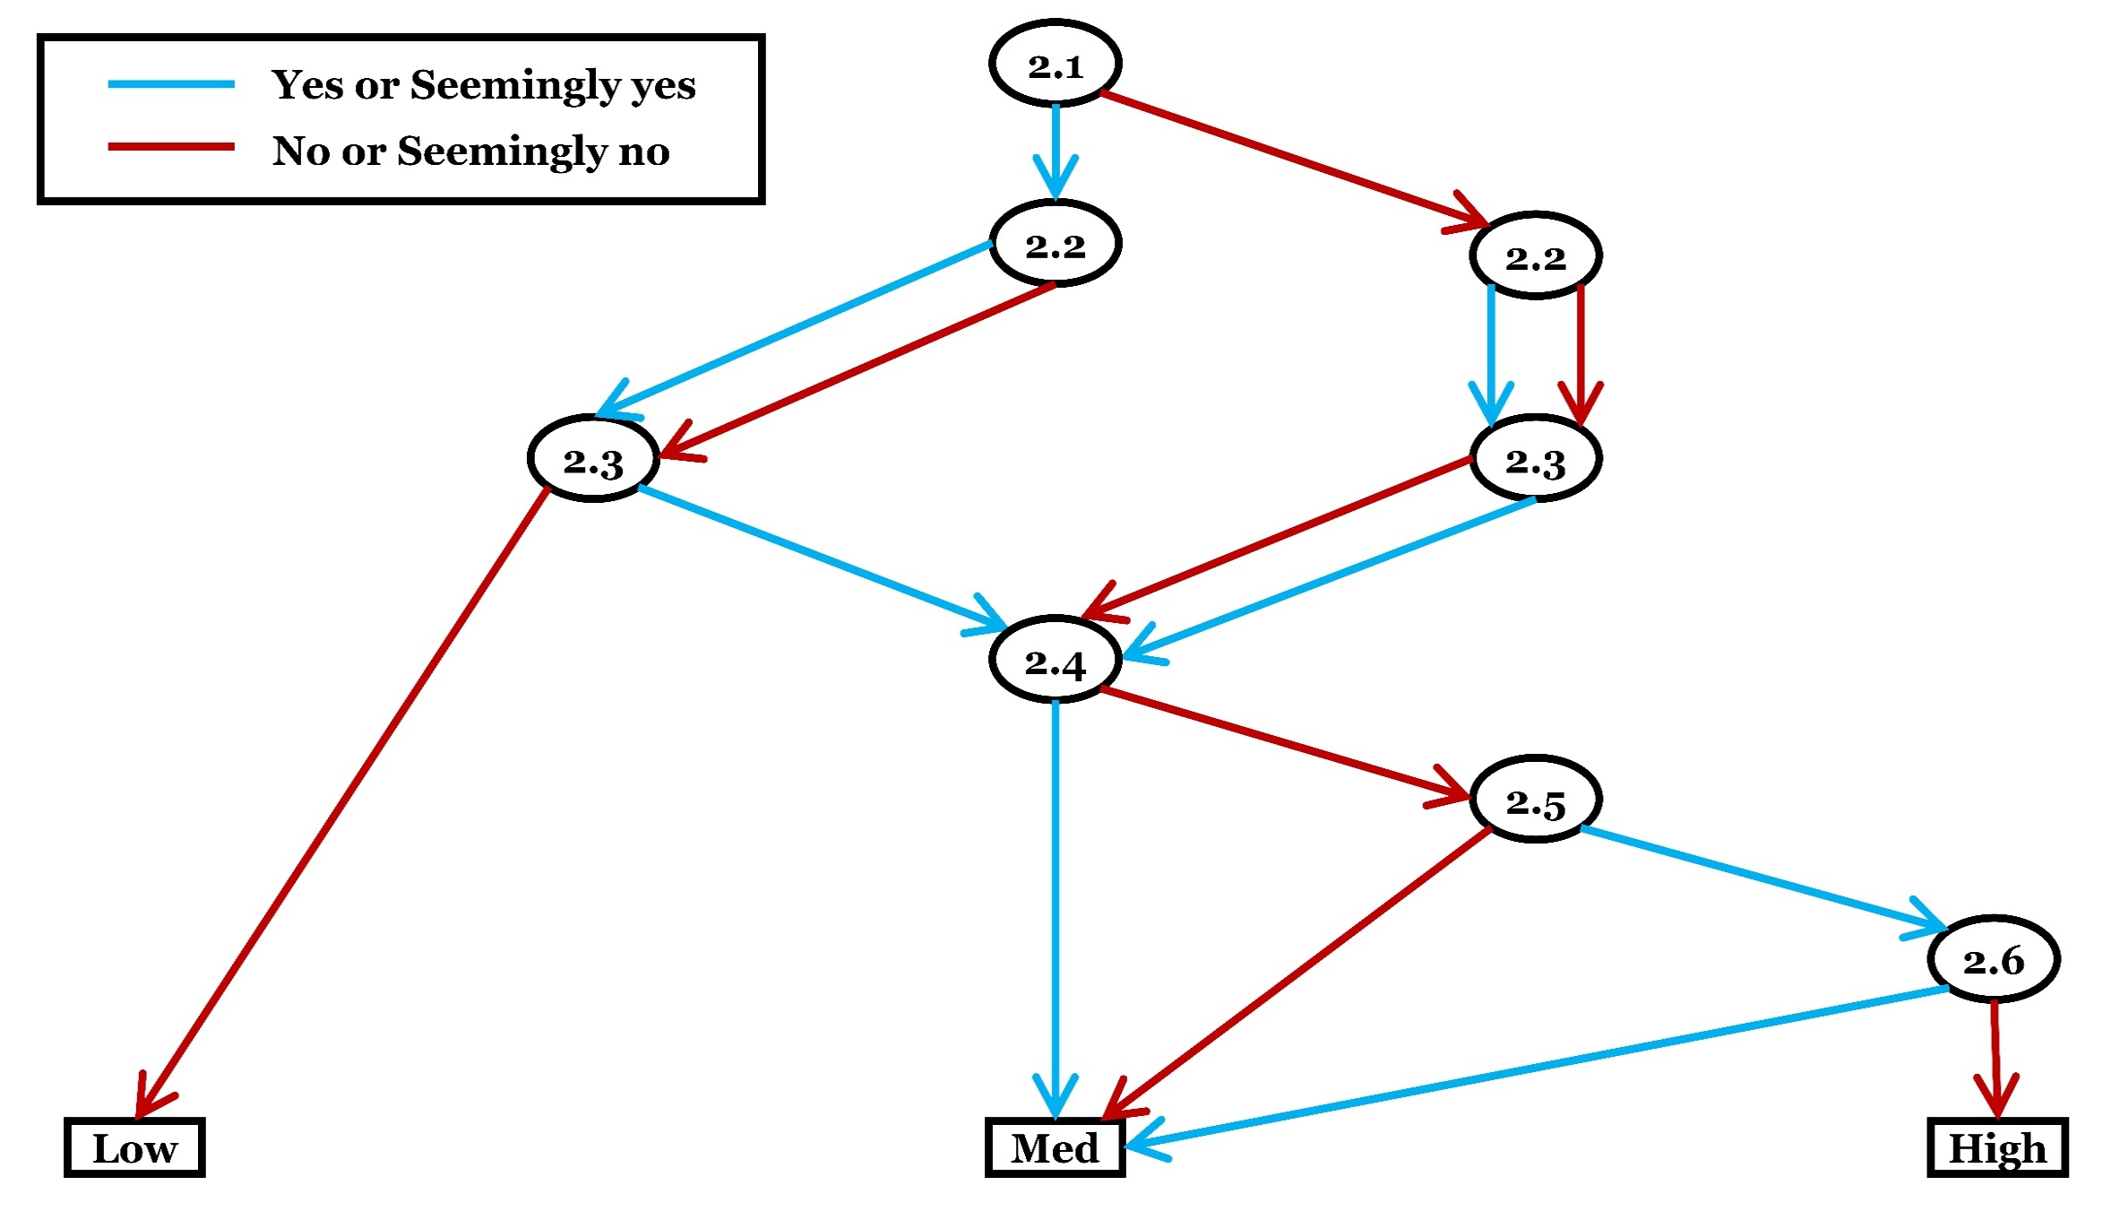
Criterion 2: Risk of post-intervention/exposure selection biases
Category | Checklist questions | Response option | Answer
General (please answer whichever suitable) | 2.1.a. Was the selection of subjects or areas after intervention or exposure random or systematic (i.e., based on random or systematic sampling), and exchangeability between groups could be assumed based on the selection approach? OR 2.1.b. Was the entire (or nearly entire) population of inference followed-up after intervention or exposure, and exchangeability between before and after groups could be assumed? | Yes (2.1.a)
 |  | Seemingly yes (2.1.a)
 |  | Seemingly no (2.1.a)
 |  | No (2.1.a)
 |  | Unclear (No) (2.1.a)
 |  | Yes (2.1.b)
 |  | Seemingly yes (2.1.b)
 |  | Seemingly no (2.1.b)
 |  | No (2.1.b)
 |  | Unclear (No) (2.1.b)
General (please answer) | 2.2. Was/were the researcher(s) unaware (or blinded) of the selection of subjects or areas? | Yes
 |  | Seemingly yes
 |  | Seemingly no
 |  | No
 |  | Unclear (No)
General (please answer) | 2.3. After the start of the intervention/exposure or during the analysis, were any subjects or areas excluded or lost from the study or analysis? | Yes
 |  | Seemingly yes
 |  | Seemingly no
 |  | No
 |  | Unclear (Yes)
Conditional (answer if N/SN/Unclear to 2.1, or Y/SY/Unclear to 2.3, otherwise select 'Not applicable') | 2.4. Were the subjects or areas included in the study (or analysis) comparable between groups and so they allowed a valid comparison to be made (i.e., exchangeability or conditional exchangeability between groups could be assumed)? | Yes
 |  | Seemingly yes
 |  | Seemingly no
 |  | No
 |  | Unclear (No)
 |  | Not applicable
Conditional (answer if N/SN/Unclear to 2.4, otherwise select 'Not applicable') | 2.5. Were the difference(s) between groups likely to be explained by the intervention/exposure or a variable influenced by the intervention/exposure (including the outcome)? | Yes
 |  | Seemingly yes
 |  | Seemingly no
 |  | No
 |  | Unclear (Yes)
 |  | Not applicable
Conditional (answer if Y/SY/Unclear to 2.5, otherwise select 'Not applicable') | 2.6. Did the author(s) adjust for the potential post-intervention/exposure selection bias in an appropriate way? | Yes
 |  | Seemingly yes
 |  | Seemingly no
 |  | No
 |  | Unclear (Yes)
 |  | Not applicable
Optional (It is suggested that detailed rationale or empirical evidence be provided when predicting magnitude and direction of bias. Assessors may skip this optional checklist question if they feel unfeasible) | 2.7. What are the predicted magnitude and the direction of bias arising from systematic differences in the selection of subjects or areas into the study or analysis after intervention or exposure? | Intervention or exposure intolerably favoured
 |  | Intervention or exposure tolerably favoured
 |  | Comparator intolerably favoured
 |  | Comparator tolerably favoured
 |  | Intolerably towards no effect
 |  | Tolerably towards no effect
 |  | Intolerably away from no effect
 |  | Tolerably away from no effect
 |  | Unpredictable
 |  | Skip
Judgement about risk of bias for the criterion
Please finalise your judgement about risk of bias for this criterion usign the algorithm. |  | Low risk of bias
 |  | Medium risk of bias
 |  | High risk of bias
Reason for deviationo from the suggested judgement about risk of bias
Reason for deviation: NA

Criterion3
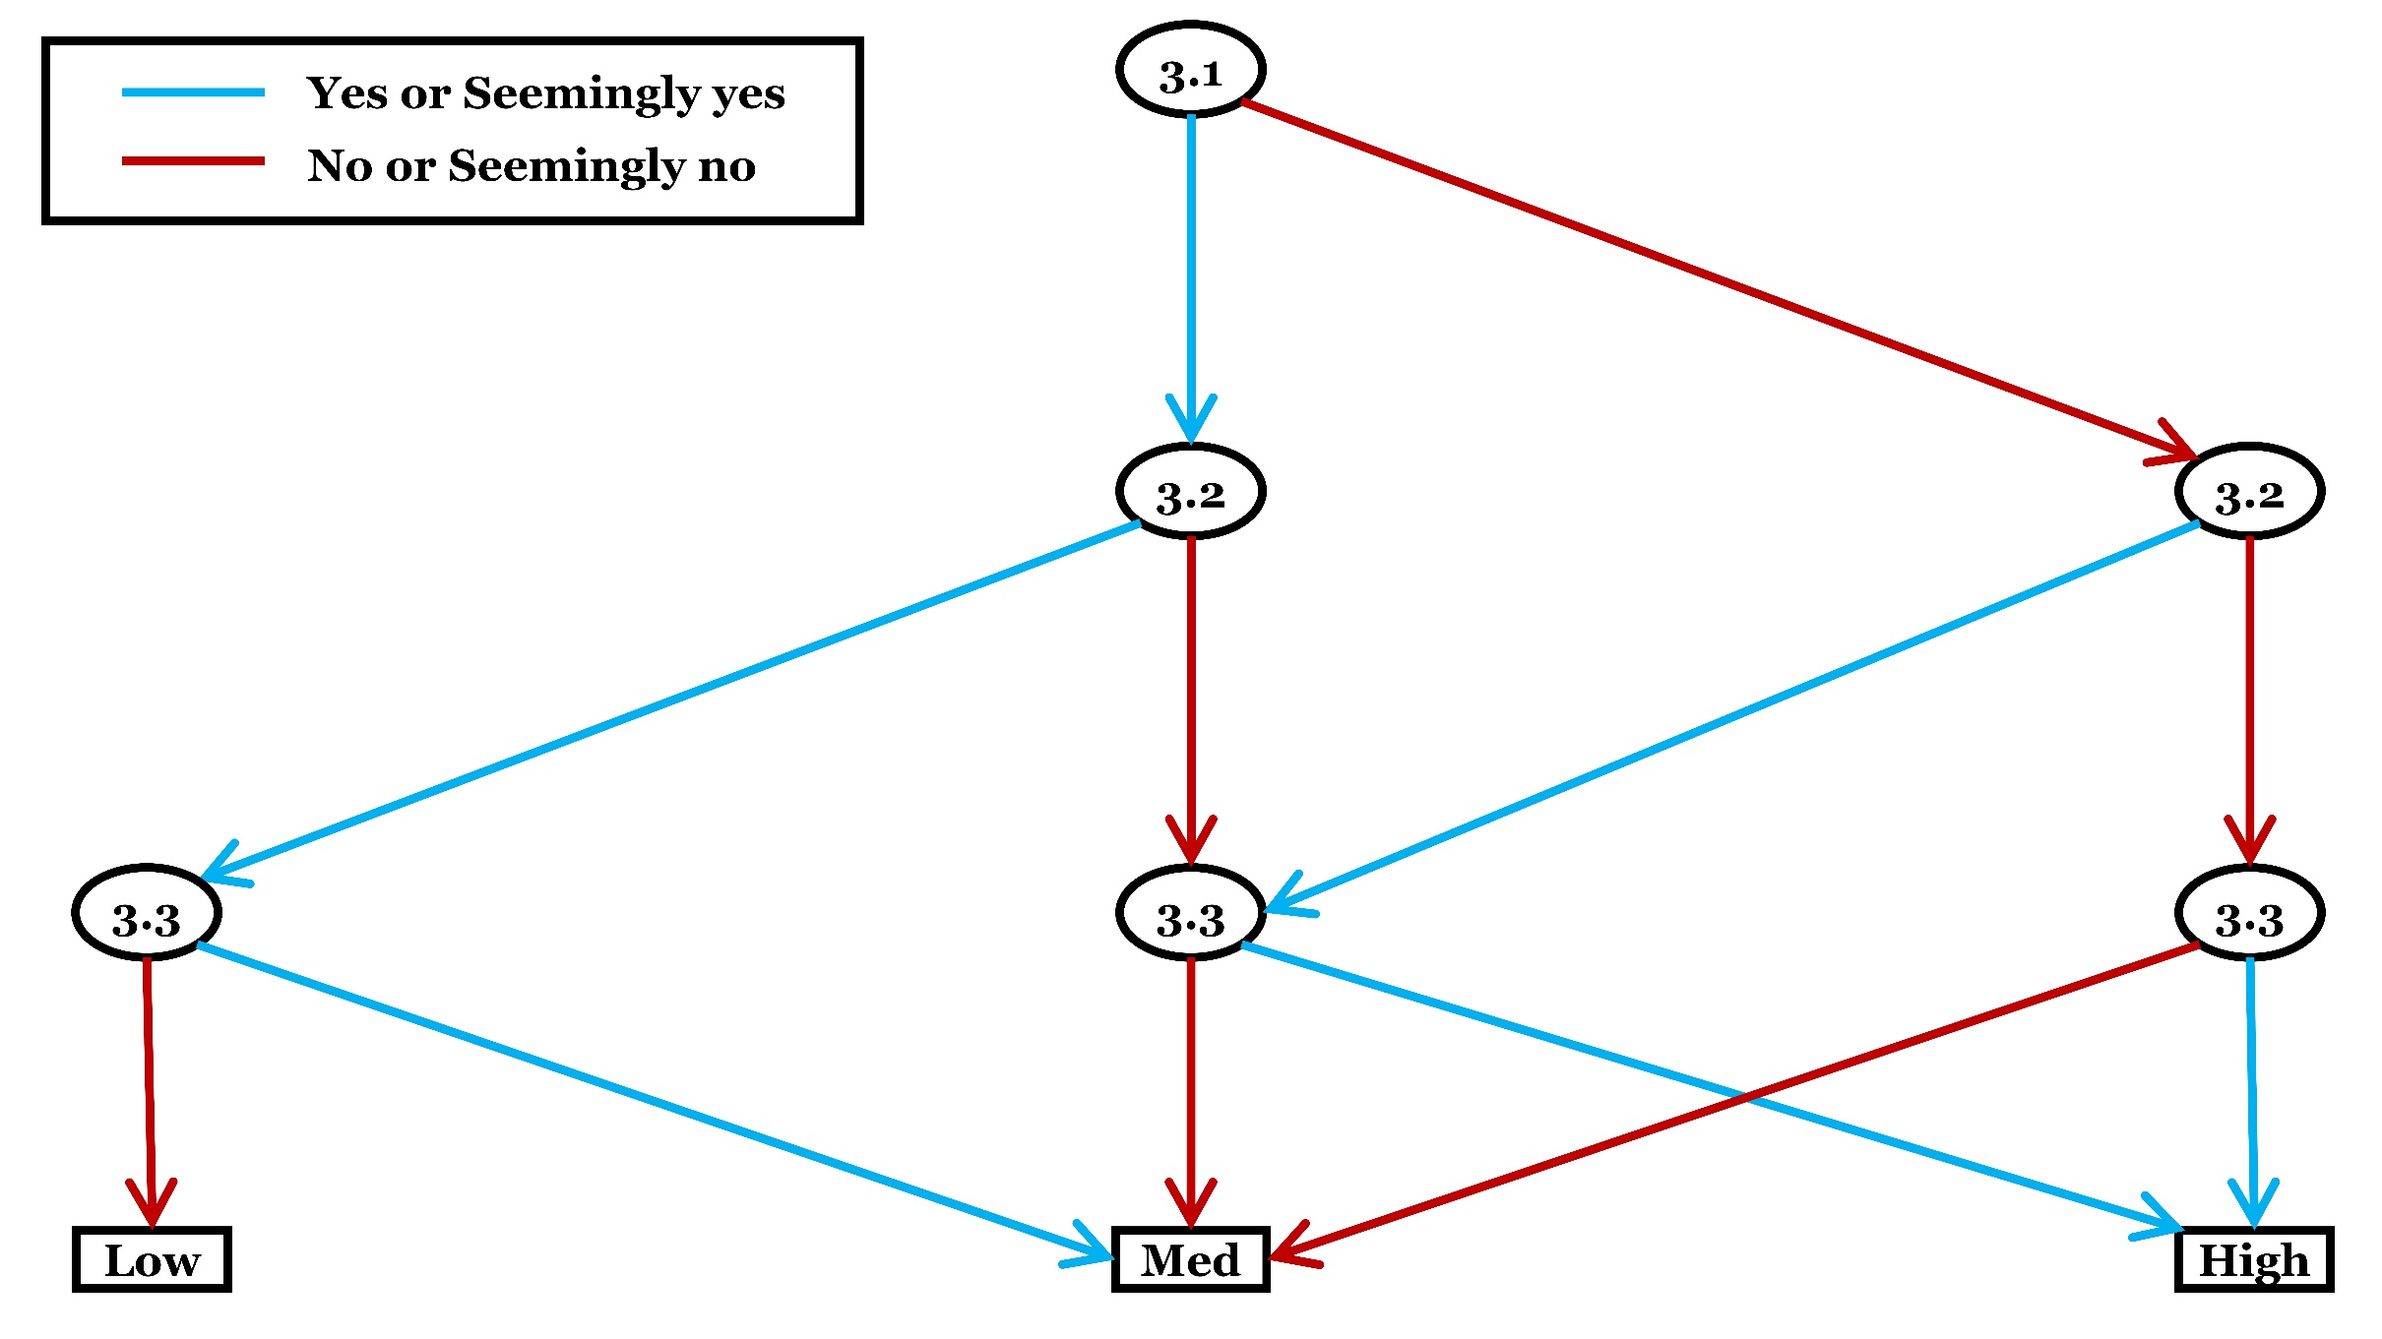
Criterion 3: Risk of misclassified comparison biases (observational studies only)
Category | Checklist questions | Response option | Answer
Conditional (answer if type of the study is observational, otherwise select ‘not applicable’) | 3.1. Were the intervention or exposure (group) and the comparator (group) of interest sufficiently well-defined so that no meaningful vagueness remains for the intended assessment of causal effect of interest? | Yes
 |  | Seemingly yes
 |  | Seemingly no
 |  | No
 |  | Unclear (No)
 |  | Not applicable
Conditional (answer if type of the study is observational, otherwise select ‘not applicable’) | 3.2. Were the observed intervention or exposure (group) and the comparator (group) appropriate for the intended assessment of causal effect (i.e., causal effect of interest)? | Yes
 |  | Seemingly yes
 |  | Seemingly no
 |  | No
 |  | Unclear (No)
 |  | Not applicable
Conditional (answer if type of the study is observational, otherwise select ‘not applicable’) | 3.3. Might measure or classification of the observed exposure, intervention or comparator (group) have been incorrect due to error or influence of some knowledge, experience or desire? | Yes
 |  | Seemingly yes
 |  | Seemingly no
 |  | No
 |  | Unclear (Yes)
 |  | Not applicable
Optional (It is suggested that detailed rationale or empirical evidence be provided when predicting magnitude and direction of bias. Assessors may skip this optional checklist question if they feel unfeasible. Select ‘not applicable’ if experimental treatments are applied) | 3.4. What are the predicted magnitude and the direction of bias arising from misclassification or measurement of intervention, exposure and/or comparator? | Intervention or exposure intolerably favoured
 |  | Intervention or exposure tolerably favoured
 |  | Comparator intolerably favoured
 |  | Comparator tolerably favoured
 |  | Intolerably towards no effect
 |  | Tolerably towards no effect
 |  | Intolerably away from no effect
 |  | Tolerably away from no effect
 |  | Unpredictable
 |  | Not applicable
 |  | Skip
Judgement about risk of bias for the criterion
Please finalise your judgement about risk of bias for this criterion usign the algorithm. |  | Low risk of bias
 |  | Medium risk of bias
 |  | High risk of bias
 |  | Not applicable
Reason for deviationo from the suggested judgement about risk of bias
Reason for deviation: NA

Criterion4
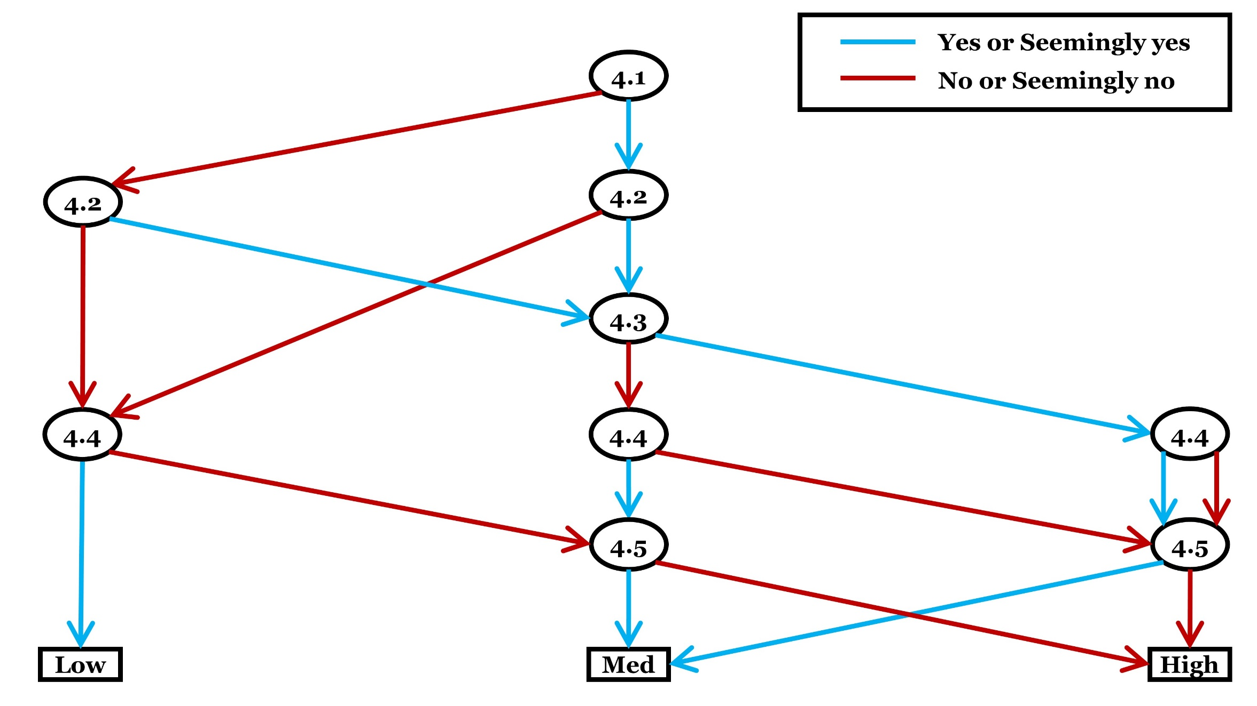
Criterion 4: Risk of performance biases (experimental studies only)
Category | Checklist questions | Response option | Answer
Conditional (answer if experimental treatments are applied in the study, otherwise select ‘not applicable’) | 4.1. Were any of the persons, who applied or received treatments (intervention, exposure, alternative intervention, alternative exposure, or control), aware of the hypothesis that was being tested or the comparison that was being made? | Yes
 |  | Seemingly yes
 |  | Seemingly no
 |  | No
 |  | Unclear (Yes)
 |  | Not applicable
Conditional (answer if experimental treatments are applied in the study, otherwise select ‘not applicable’) | 4.2. Were there any alterations of intervention/exposure or control treatments of interest that might have an impact on the effectiveness of the intervention or the impact of the exposure? | Yes
 |  | Seemingly yes
 |  | Seemingly no
 |  | No
 |  | Unclear (Yes)
 |  | Not applicable
Conditional (answer if Y/SY/Unclear to 4.2, otherwise select 'Not applicable') | 4.3. Were these deviated treatments unbalanced between intervention or exposure groups (when comparing two interventions or exposures), or inaccurately taken into account (when comparing intervention or exposure vs. control, and thus it might have influenced the estimate of impact or effectiveness? | Yes
 |  | Seemingly yes
 |  | Seemingly no
 |  | No
 |  | Unclear (Yes)
 |  | Not applicable
Conditional (answer if experimental treatments are applied in the study, otherwise select ‘not applicable’) | 4.4. Were both exposure/intervention and comparator treatments initiated and implemented as intended (or occurred as recorded) for all, or nearly all, subjects or areas? | Yes
 |  | Seemingly yes
 |  | Seemingly no
 |  | No
 |  | Unclear (No)
 |  | Not applicable
Conditional (answer if Y/SY/Unclear to 4.2, or N/SN/Unclear to 4.4, otherwise select 'Not applicable') | 4.5. Are the used analysis methods of the impact of the exposure or the effectiveness of the intervention appropriate in relation to bias due to altered treatment procedure of interest? | Yes
 |  | Seemingly yes
 |  | Seemingly no
 |  | No
 |  | Unclear (No)
 |  | Not applicable
Optional (It is suggested that detailed rationale or empirical evidence be provided when predicting magnitude and direction of bias. Assessors may skip this optional checklist question if they feel unfeasible. Select ‘not applicable’ if no experimental treatments are applied) | 4.6. What are the predicted magnitude and the direction of bias due to altered treatment procedure of interest? | Intervention or exposure intolerably favoured
 |  | Intervention or exposure tolerably favoured
 |  | Comparator intolerably favoured
 |  | Comparator tolerably favoured
 |  | Intolerably towards no effect
 |  | Tolerably towards no effect
 |  | Intolerably away from no effect
 |  | Tolerably away from no effect
 |  | Unpredictable
 |  | Not applicable
 |  | Skip
Judgement about risk of bias for the criterion
Please finalise your judgement about risk of bias for this criterion usign the algorithm. |  | Low risk of bias
 |  | Medium risk of bias
 |  | High risk of bias
 |  | Not applicable
Reason for deviationo from the suggested judgement about risk of bias
Reason for deviation: NA

Criterion5
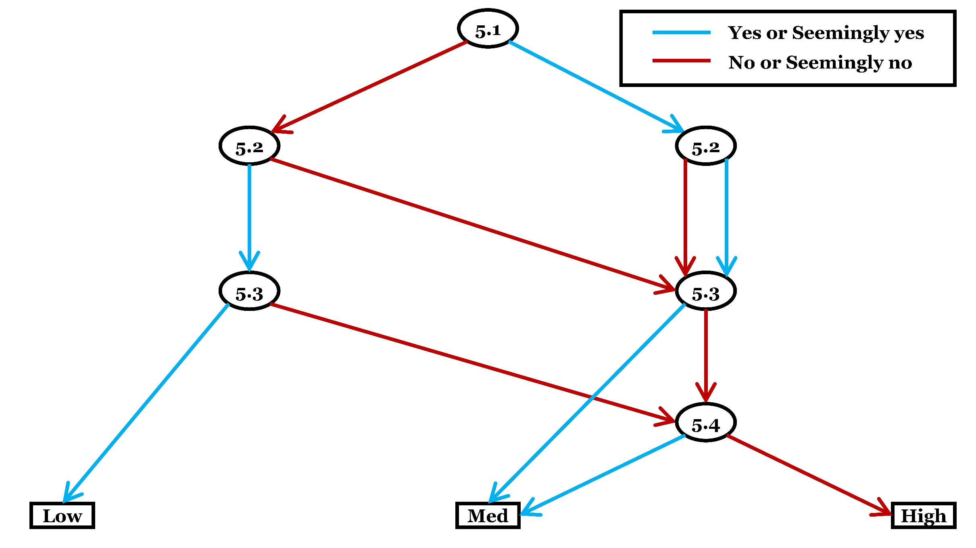
Criterion 5: Risk of detection biases
Category | Checklist questions | Response option | Answer
General (please answer) | 5.1. Was there any way for the outcome measure to be affected by knowledge of the exposure, intervention, subjects or areas, or desire for certain outcome? | Yes
 |  | Seemingly yes
 |  | Seemingly no
 |  | No
 |  | Unclear (Yes)
General (please answer) | 5.2. Was the measured outcome appropriate for the intended assessment of causal effect (i.e., causal effect of interest)? | Yes
 |  | Seemingly yes
 |  | Seemingly no
 |  | No
 |  | Unclear (No)
General (please answer) | 5.3. Were the methods for measuring the outcome data the same across the groups? | Yes
 |  | Seemingly yes
 |  | Seemingly no
 |  | No
 |  | Unclear (No)
Conditional (answer if N/SN/Unclear to 5.3) | 5.4. Were the potential differences in measured outcomes between groups investigated and adjusted/corrected if necessary? | Yes
 |  | Seemingly yes
 |  | Seemingly no
 |  | No
 |  | Unclear (Yes)
 |  | Not applicable
Optional (It is suggested that detailed rationale or empirical evidence be provided when predicting magnitude and direction of bias. Assessors may skip this optional checklist question if they feel unfeasible) | 5.4. What are the predicted magnitude and the direction of bias arising from systematic differences in measurement of outcomes? | Intervention or exposure intolerably favoured
 |  | Intervention or exposure tolerably favoured
 |  | Comparator intolerably favoured
 |  | Comparator tolerably favoured
 |  | Intolerably towards no effect
 |  | Tolerably towards no effect
 |  | Intolerably away from no effect
 |  | Tolerably away from no effect
 |  | Unpredictable
 |  | Skip
Judgement about risk of bias for the criterion
Please finalise your judgement about risk of bias for this criterion usign the algorithm. |  | Low risk of bias
 |  | Medium risk of bias
 |  | High risk of bias
Reason for deviationo from the suggested judgement about risk of bias
Reason for deviation: NA

Criterion6
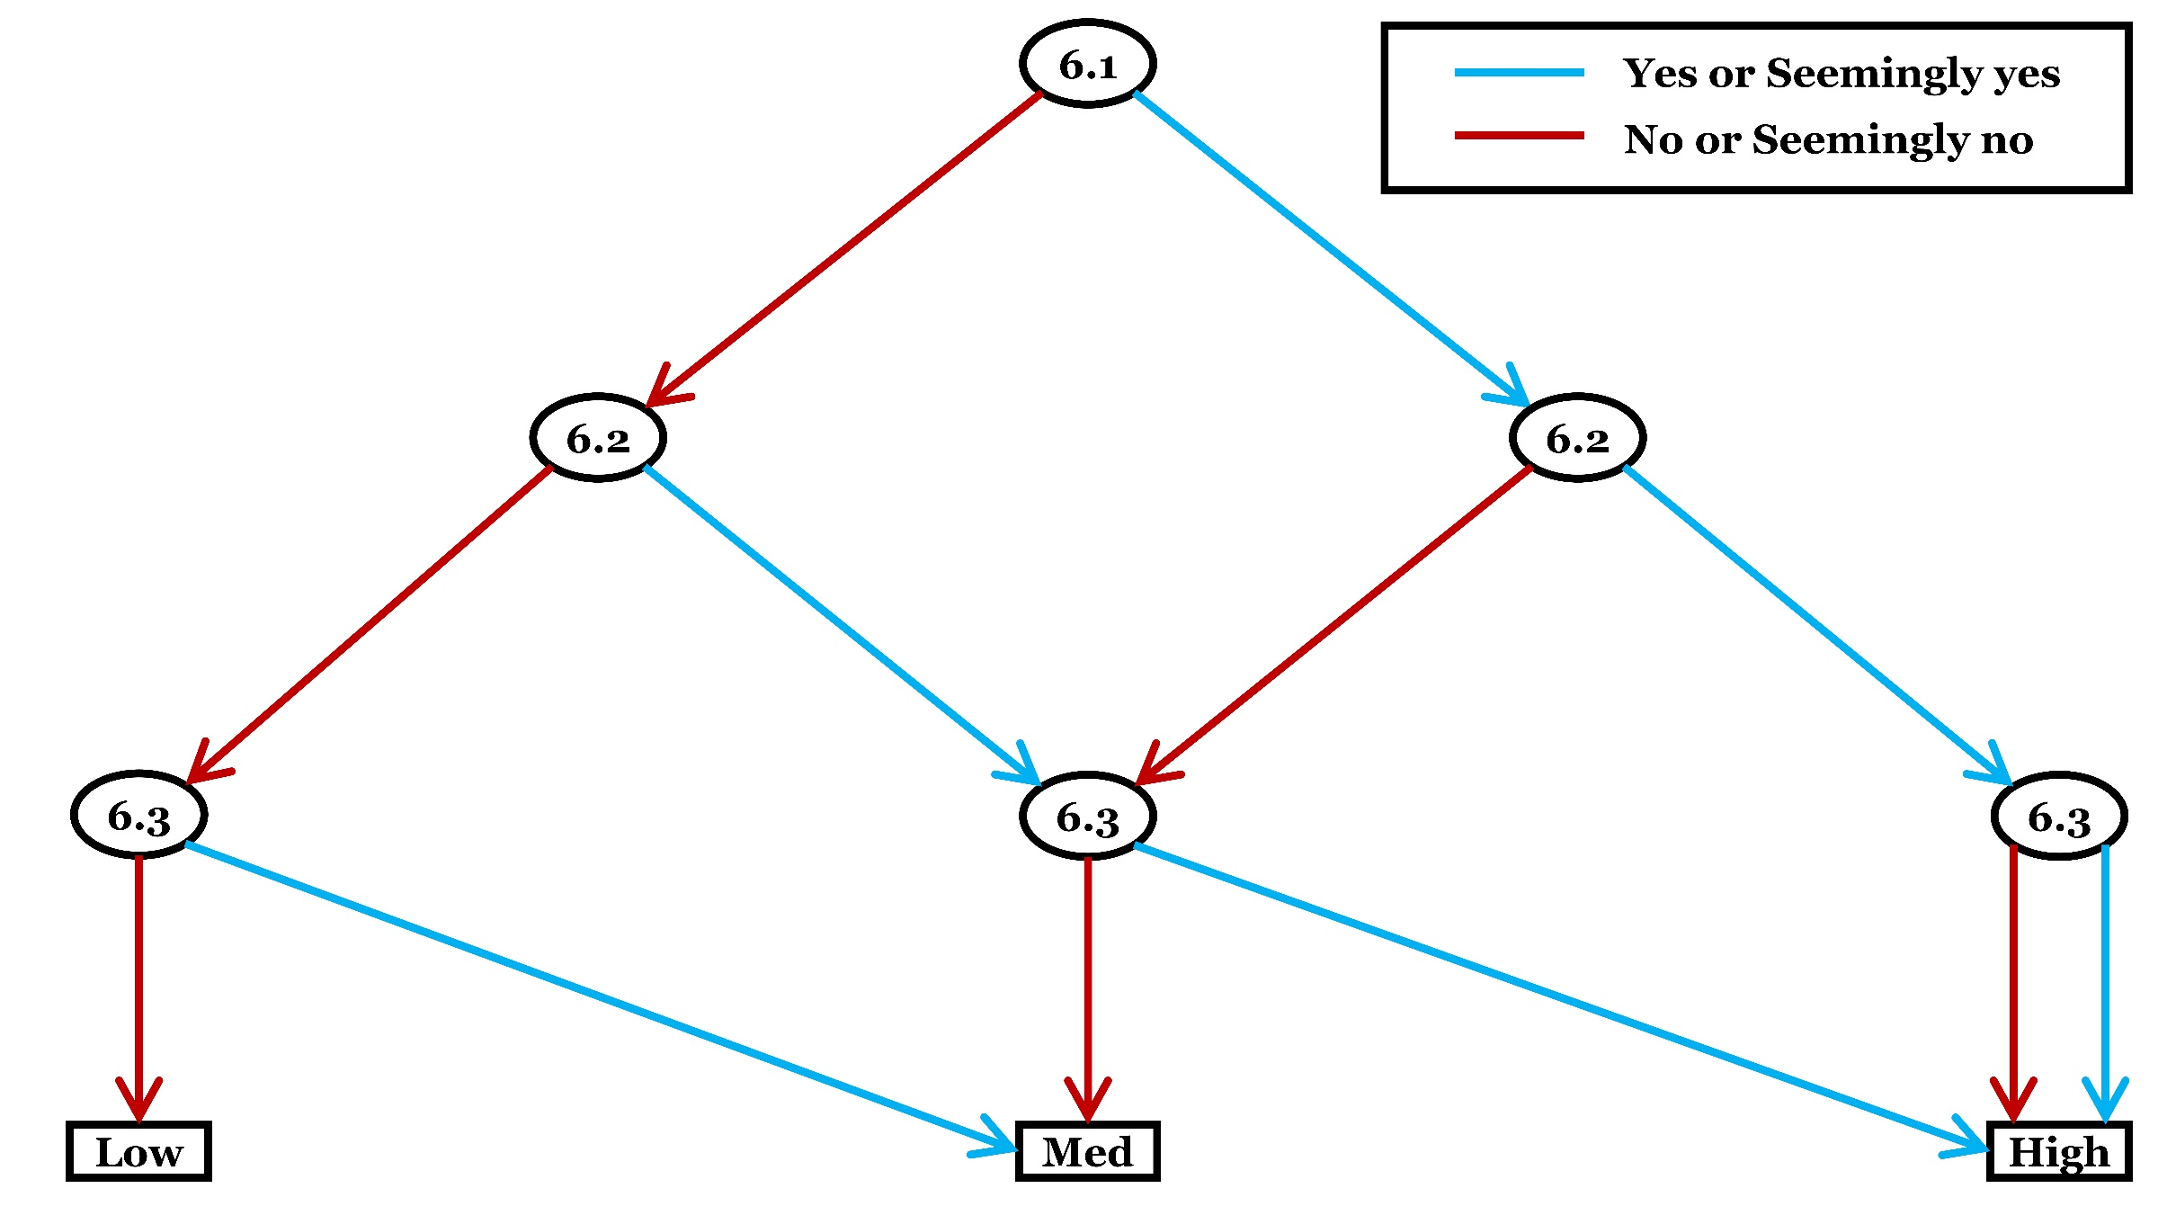
Criterion 6: Risk of outcome reporting biases
Category | Checklist questions | Response option | Answer
General (please answer) | 6.1. Are the reported relevant outcome data (or effect estimate) likely to be of (or based on) selected measurements of the outcome? | Yes
 |  | Seemingly yes
 |  | Seemingly no
 |  | No
 |  | Unclear (Yes)
General (please answer) | 6.2. Are relevant outcome data likely to be unreported for some subgroup(s)? | Yes
 |  | Seemingly yes
 |  | Seemingly no
 |  | No
 |  | Unclear (Yes)
General (please answer) | 6.3. Is/are the analysis/analyses of the causal relationship of interest (intervention-outcome or exposure-outcome) likely to be partially reported? | Yes
 |  | Seemingly yes
 |  | Seemingly no
 |  | No
 |  | Unclear (Yes)
Optional (It is suggested that detailed rationale or empirical evidence be provided when predicting magnitude and direction of bias. Assessors may skip this optional checklist question if they feel unfeasible) | 6.4. What are the predicted magnitude and the direction of bias in reporting of study findings? | Intervention or exposure intolerably favoured
 |  | Intervention or exposure tolerably favoured
 |  | Comparator intolerably favoured
 |  | Comparator tolerably favoured
 |  | Intolerably towards no effect
 |  | Tolerably towards no effect
 |  | Intolerably away from no effect
 |  | Tolerably away from no effect
 |  | Unpredictable
 |  | Skip
Judgement about risk of bias for the criterion
Please finalise your judgement about risk of bias for this criterion usign the algorithm. |  | Low risk of bias
 |  | Medium risk of bias
 |  | High risk of bias
Reason for deviationo from the suggested judgement about risk of bias
Reason for deviation: NA

Criterion7
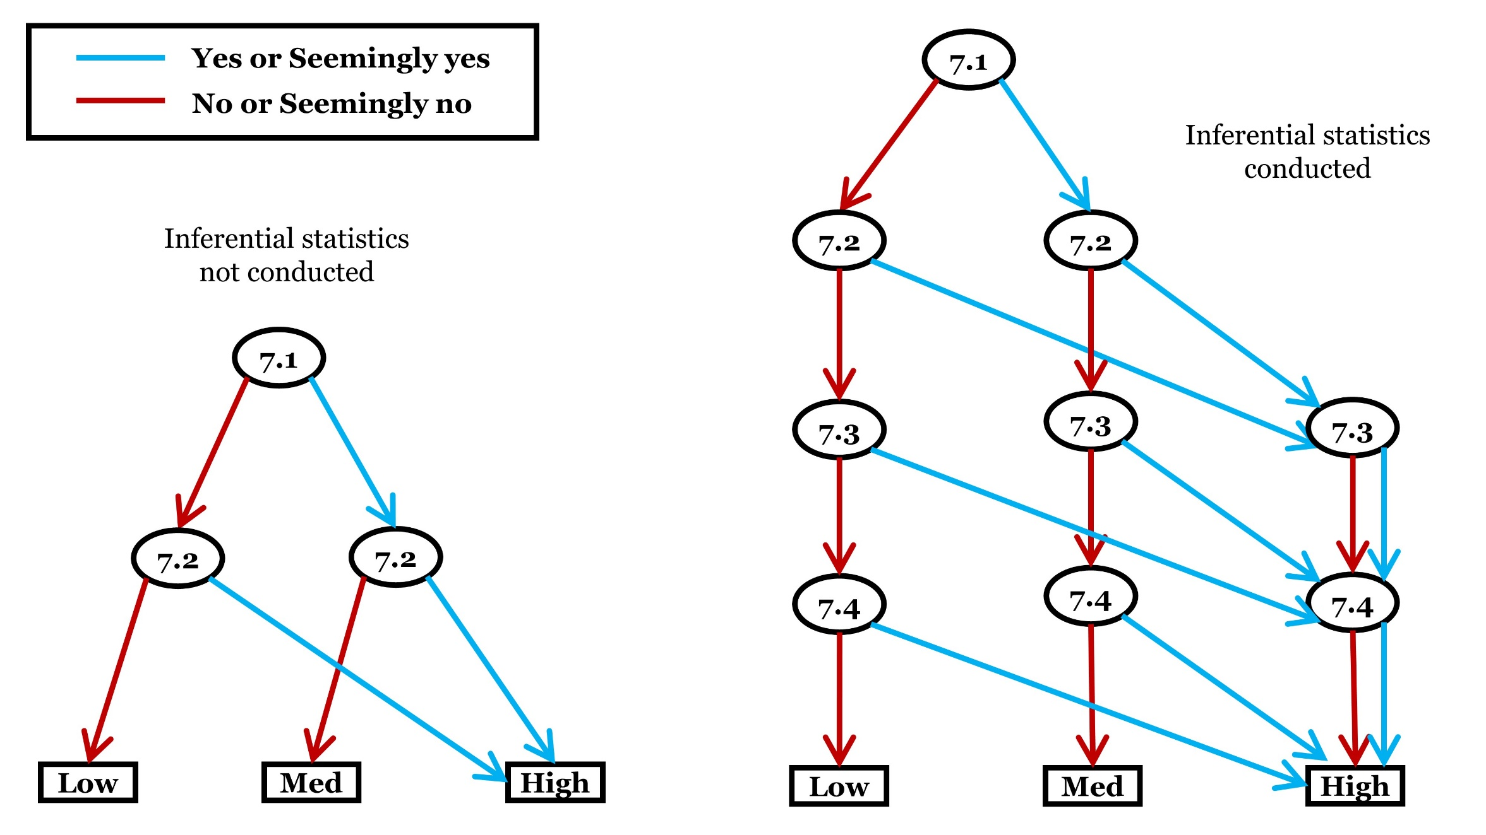
Criterion 7: Risk of outcome assessment biases
Category | Checklist questions | Response option | Answer
General (please answer) | 7.1. Was/were the person(s), who estimated the effectiveness of the intervention or the impact of the exposure, aware of the exposure or intervention received by subjects or areas? | Yes
 |  | Seemingly yes
 |  | Seemingly no
 |  | No
 |  | Unclear (Yes)
General (please answer) | 7.2. Is it likely that there is/are error(s) or inappropriate methods in the applied descriptive statistical analyses? | Yes
 |  | Seemingly yes
 |  | Seemingly no
 |  | No
 |  | Unclear (Yes)
Conditional (answer if inferential statistics are applied, otherwise select ‘not applicable’) | 7.3. Is it likely that there is/are error(s) in the applied inferential statistics (including null hypothesis testing, estimation, coding)? | Yes
 |  | Seemingly yes
 |  | Seemingly no
 |  | No
 |  | Unclear (Yes)
 |  | Not applicable
Conditional (answer if inferential statistics are applied, otherwise select ‘not applicable’) | 7.4. Were assumptions for the applied inferential statistics violated or the applied inferential statistical methods inappropriate for the inferential goal(s)? | Yes
 |  | Seemingly yes
 |  | Seemingly no
 |  | No
 |  | Unclear (Yes)
 |  | Not applicable
Optional (It is suggested that detailed rationale or empirical evidence be provided when predicting magnitude and direction of bias. Assessors may skip this optional checklist question if they feel unfeasible) | 7.5. What are the predicted magnitude and the direction of bias due to error in applied statistical methods? | Intervention or exposure intolerably favoured
 |  | Intervention or exposure tolerably favoured
 |  | Comparator intolerably favoured
 |  | Comparator tolerably favoured
 |  | Intolerably towards no effect
 |  | Tolerably towards no effect
 |  | Intolerably away from no effect
 |  | Tolerably away from no effect
 |  | Unpredictable
 |  | Skip
Judgement about risk of bias for the criterion
Please finalise your judgement about risk of bias for this criterion usign the algorithm. |  | Low risk of bias
 |  | Medium risk of bias
 |  | High risk of bias
Reason for deviationo from the suggested judgement about risk of bias
Reason for deviation: NA

